Visuals
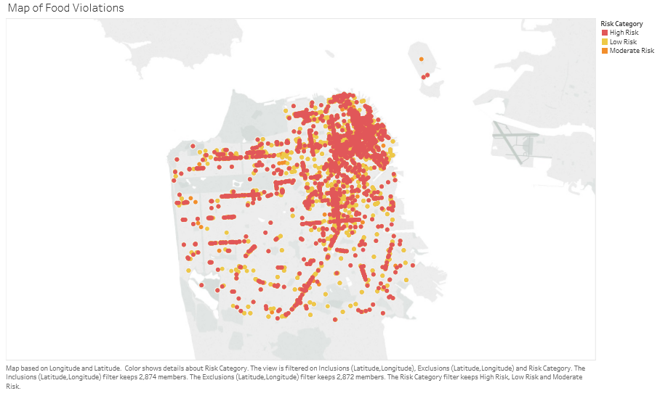
 |  |  | Risk Violations Categories By Zipcode |  |  |  |  | Number of Resturants by Zipcode
 |  |  | Count of risk_category | Column Labels |  |  |  | Row Labels | Count of business_id
 |  |  | Row Labels | High Risk | Low Risk | Moderate Risk | Grand Total | 94102 | 453
 |  |  | 94102 | 113 | 200 | 140 | 453 | 94103 | 486
 |  |  | 94103 | 38 | 308 | 140 | 486 | 94104 | 331
 |  |  | 94104 | 88 | 144 | 99 | 331 | 94105 | 37
 |  |  | 94105 | 3 | 22 | 12 | 37 | 94107 | 410
 |  |  | 94107 | 111 | 188 | 111 | 410 | 94108 | 572
 |  |  | 94108 | 54 | 284 | 234 | 572 | 94109 | 844
 |  |  | 94109 | 117 | 433 | 294 | 844 | 94110 | 629
 |  |  | 94110 | 59 | 367 | 203 | 629 | 94111 | 414
 |  |  | 94111 | 77 | 194 | 143 | 414 | 94112 | 755
 |  |  | 94112 | 71 | 495 | 189 | 755 | 94114 | 212
 |  |  | 94114 | 14 | 126 | 72 | 212 | 94115 | 494
 |  |  | 94115 | 95 | 253 | 146 | 494 | 94116 | 196
 |  |  | 94116 | 36 | 92 | 68 | 196 | 94117 | 154
 |  |  | 94117 | 35 | 72 | 47 | 154 | 94118 | 635
 |  |  | 94118 | 53 | 430 | 152 | 635 | 94121 | 423
 |  |  | 94121 | 55 | 210 | 158 | 423 | 94122 | 938
Insight: Violations centralized towards downtown |  |  | 94122 | 117 | 454 | 367 | 938 | 94123 | 636
 |  |  | 94123 | 103 | 345 | 188 | 636 | 94124 | 253
 |  |  | 94124 | 75 | 98 | 80 | 253 | 94127 | 187
 |  |  | 94127 | 8 | 127 | 52 | 187 | 94131 | 127
 |  |  | 94131 | 16 | 60 | 51 | 127 | 94132 | 80
 |  |  | 94132 | 15 | 35 | 30 | 80 | 94133 | 3667
 |  |  | 94133 | 579 | 1981 | 1107 | 3667 | 94134 | 138
 |  |  | 94134 | 43 | 65 | 30 | 138 | Grand Total | 13071
 |  |  | Grand Total | 1975 | 6983 | 4113 | 13071 | Insight-Highest Number of resurants in 94133
 | Insight: Violations centralized towards downtown |  | Insight- Highest Violations in 94133 and 94109, High |  |  |  |  | and 94122
 |  |  | tourism neighborhoods
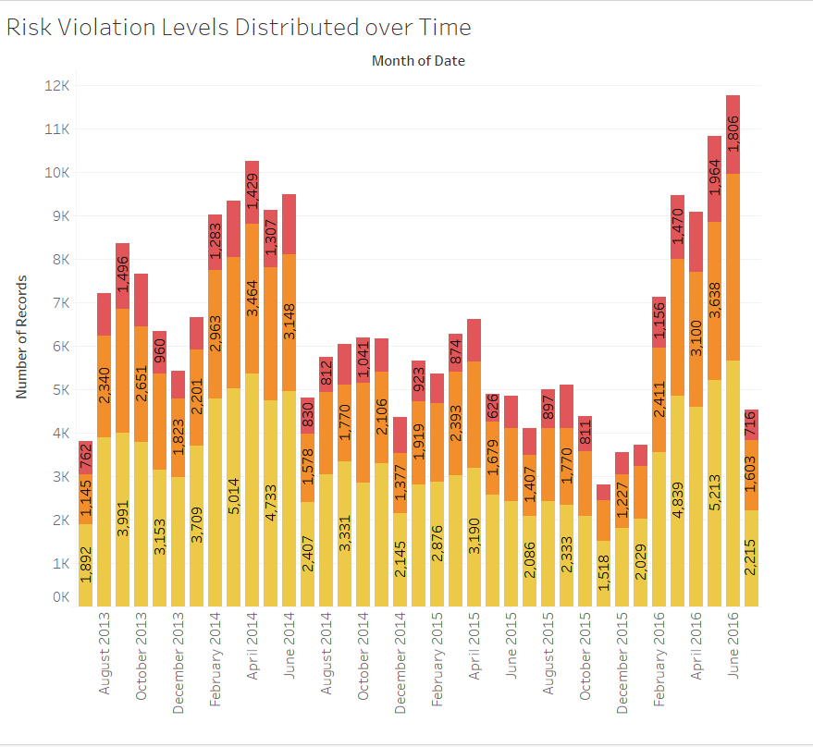

 |  | Insight: Violations opccur mainly in Spring and Summer, peak time of tourism.

SQL
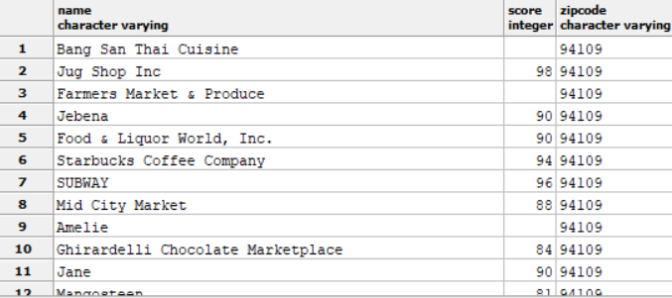
How many total violatios are there?

SELECT COUNT(business_id)
FROM violations_plus;

Answer=40671

How many business' have a high risk violation?

SELECT COUNT(business_id)
FROM violations_plus
WHERE risk_category = 'High Risk';

Answer= 5666 OR 13.9%

How many inspections happened over the course of three years?

SELECT DISTINCT COUNT(business_id)
FROM inspections_plus

Answer= 27450

Average health food score?

SELECT AVG(CAST(score AS int))
FROM inspections_plus

Answer= 91.33

Show Returant with health score and zip code

SELECT DISTINCT bp.name, CAST(ip.score as int), bp.zipcode
FROM businesses_plus bp
JOIN inspections_plus ip
ON bp.business_id = ip.business_id
WHERE bp.zipcode LIKE '94109'

Answer:

